ADDRESS TEMPLATE
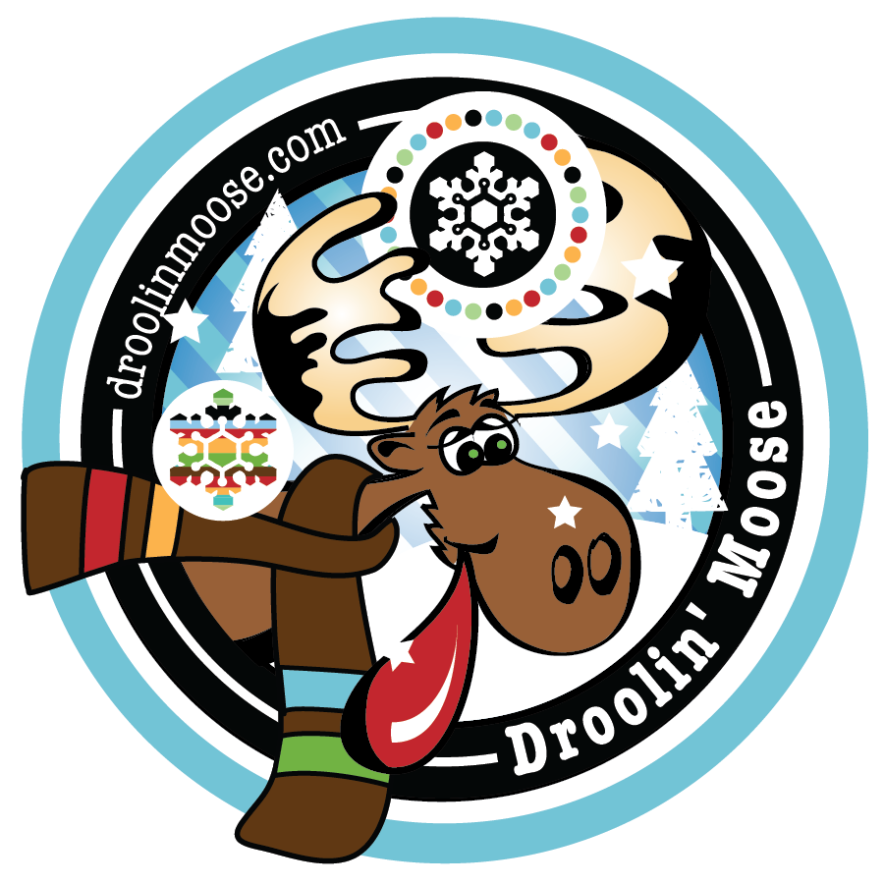
PLEASE FILL IN THE CELLS BELOW - EXAMPLES ARE ILLUSTRATED BELOW |  |  | *** TYPE CUSTOM MESSAGE FOR GIFT CARD HERE *** |  |  | PREFERRED SHIP DATE
PACKAGE TO BE SENT - NAME A SPECIFIC GIFT OPTION OR GIVE A PRICE POINT |  |  |  |  |  | ENTER DATE HERE
BUYER COMPANY NAME - COMPANY TO BE BILLED
BUYER FULL NAME - EITHER YOUR NAME OR THE PERSON RESPONSIBLE FOR THE GIFT
BUYER EMAIL - THIS EMAIL HAS THE OPTION TO RECEIVE TRACKING/DELIVERY NOTIFICATIONS

PACKAGE TO BE SENT | BUYER COMPANY NAME | BUYER FULL NAME | BUYER EMAIL | RECIPIENT FULL NAME | RECIPIENT COMPANY | ADDRESS LINE 1 | ADDRESS LINE 2 | CITY | STATE | POSTAL CODE
LOCAL LOON LITTLE BOOM! BOX | Chocolate Mountain | CoCo Bean | cocobean@droolinmoose.com | Peter Anderson | ABC company | 1234 Main Street | Suite 200 | St. Cloud | MN | 56301
TWIN CITIES MINI BOOM! BOX | Chocolate Mountain | CoCo Bean | cocobean@droolinmoose.com | Greta Nicollet | Designs by Greta | 400 Moose Street | Suite 100 | Bloomington | MN | 55420
MALTED MILK BOULDERS, GRASS POPPERS | Chocolate Mountain | CoCo Bean | cocobean@droolinmoose.com | Suzie Right | Right Consulting | 918 Drool On Avenue |  | Maple Grove | MN | 55367
$50 GIFT OPTION | Chocolate Mountain | CoCo Bean | cocobean@droolinmoose.com | William Hernandez | Lockport Industries | 1000 45th Avenue |  | Freeport | ME | 04013
$75 GIFT OPTION | Chocolate Mountain | CoCo Bean | cocobean@droolinmoose.com | Michael Boulder | Boulder Productions | 200 Rock Street North | #200 | Boulder | CO | 80301

